Key to observation codes
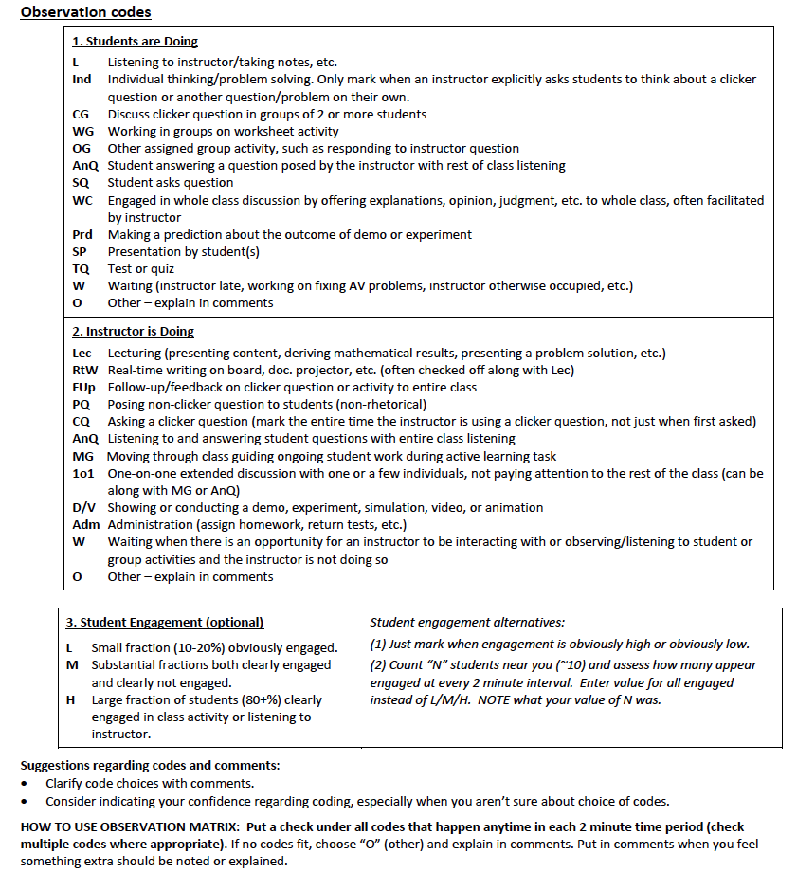

Example Drop Down | Note: select a check from the dropdown list in the cells under all codes that happen anytime in each 2 minutes time period
 | Check multiple codes per 2 minutes if multiple activities occur in that 2 minute time period
✔

Percent of activities graphs
The graphs on this sheet show how frequwntly a given activity code was marked compared to the sum of all codes marked in all time intervals during the class session, expressed as a percent. Because a given activity may not occupy the full two minutes of a time interval, and because multiple activities may occur simultaneously (e.g. a instructor might be moving and guiding (MG) and having a one-on-one (1o1) interaction at the same time, these percents do not represent the fraction of time devoted to each activity. Rather they are the fraction of activities, calculated separately for the instructor's activities and the students' activities.
 | Students |  |  |  |  |  |  |  |  |  |  |  |  | Instructor
 | Listening (L) | Answering (AnQ) | Asking (SQ) | Whole Class (WC) | Presentation (SP) | Thinking (Ind) | Clicker Discussion (CG) | Working Group (WG) | Other Group (OG) | Prediction (Prd) | Test/Quiz (T/Q) | Waiting (W) | Other (O) | Lecturing (Lec) | Writing (RtW) | Demo/Video (D/V) | Follow-up (Fup) | Posing Question (PQ) | Clicker Question (CQ) | Answering Question (AnQ) | Moving (MG) | One-on-One (1o1) | Administration (Adm) | Waiting (W) | Other (O)
Minute | L | AnQ | SQ | WC | SP | Ind | CG | WG | OG | Prd | T/Q | W | O | Lec | RtW | D/V | Fup | PQ | CQ | AnQ | MG | 1o1 | Adm | W | O
Count of responses | 0 | 0 | 0 | 0 | 0 | 0 | 0 | 0 | 0 | 0 | 0 | 0 | 0 | 0 | 0 | 0 | 0 | 0 | 0 | 0 | 0 | 0 | 0 | 0 | 0
Total Responses: |  |  |  |  |  |  |  |  |  |  |  |  | 0 |  |  |  |  |  |  |  |  |  |  |  | 0
% of Responses (inst) |  |  |  |  |  |  |  |  |  |  |  |  |  | #DIV/0! | #DIV/0! | #DIV/0! | #DIV/0! | #DIV/0! | #DIV/0! | #DIV/0! | #DIV/0! | #DIV/0! | #DIV/0! | #DIV/0! | #DIV/0!
% of Responses (student): | #DIV/0! | #DIV/0! | #DIV/0! | #DIV/0! | #DIV/0! | #DIV/0! | #DIV/0! | #DIV/0! | #DIV/0! | #DIV/0! | #DIV/0! | #DIV/0! | #DIV/0!

 | Receiving | Talking to Class | Working | Other (Student) | Presenting | Guiding | Admin | Other (Inst)
Collapsed Codes (Inst) |  |  |  |  | #DIV/0! | #DIV/0! | #DIV/0! | #DIV/0!
Collapsed Codes (Student) | #DIV/0! | #DIV/0! | #DIV/0! | #DIV/0!

Activity as Percentage of all Codes (Note: Each color adds to 100%, within rounding error)
 | Student activities | Instructor activities
Receiving | 0%
Talking to Class | 0%
Working | 0%
Other (Student) | 0%
Presenting |  | 0
Guiding |  | 0
Admin |  | 0
Other (Inst) |  | 0
Activity as Percentage of all Codes (Note: Each color adds to 100%, within rounding error)
 | Student activities | Instructor activities
Listening (L) | 0%
Answering (AnQ) | 0%
Asking (SQ) | 0%
Whole Class (WC) | 0%
Presentation (SP) | 0%
Thinking (Ind) | 0%
Clicker Discussion (CG) | 0%
Working Group (WG) | 0%
Other Group (OG) | 0%
Prediction (Prd) | 0%
Test/Quiz (T/Q) | 0%
Waiting (W) | 0%
Other (O) | 0%
Lecturing (Lec) |  | 0
Writing (RtW) |  | 0
Demo/Video (D/V) |  | 0
Follow-up (Fup) |  | 0
Posing Question (PQ) |  | 0
Clicker Question (CQ) |  | 0
Answering Question (AnQ) |  | 0
Moving (MG) |  | 0
One-on-One (1o1) |  | 0
Administration (Adm) |  | 0
Waiting (W) |  | 0
Other (O) |  | 0

Percent of time intervals graph
The graphs on this sheet show the fraction of time intervals in which each code was marked, expressed as a percent. Note that because a given activity may not occupy the full time interval (e.g. it may take only a few seconds for an instructor to pose a question but the time interval covers two full minutes) the graphs do not show the true fraction of class time spent on each activity. Rather they simply show the fraction of time intervals in which a code was marked.
 | Students |  |  |  |  |  |  |  |  |  |  |  |  | Instructor
 | Listening (L) | Answering (AnQ) | Asking (SQ) | Whole Class (WC) | Presentation (SP) | Thinking (Ind) | Clicker Discussion (CG) | Working Group (WG) | Other Group (OG) | Prediction (Prd) | Test/Quiz (T/Q) | Waiting (W) | Other (O) | Lecturing (Lec) | Writing (RtW) | Demo/Video (D/V) | Follow-up (Fup) | Posing Question (PQ) | Clicker Question (CQ) | Answering Question (AnQ) | Moving (MG) | One-on-One (1o1) | Administration (Adm) | Waiting (W) | Other (O)
Sum | 0 | 0 | 0 | 0 | 0 | 0 | 0 | 0 | 0 | 0 | 0 | 0 | 0 | 0 | 0 | 0 | 0 | 0 | 0 | 0 | 0 | 0 | 0 | 0 | 0
# of Time intervals | 0
% of Time intervals (Inst) |  |  |  |  |  |  |  |  |  |  |  |  |  | #DIV/0! | #DIV/0! | #DIV/0! | #DIV/0! | #DIV/0! | #DIV/0! | #DIV/0! | #DIV/0! | #DIV/0! | #DIV/0! | #DIV/0! | #DIV/0!
% of Time intervals (Students) | #DIV/0! | #DIV/0! | #DIV/0! | #DIV/0! | #DIV/0! | #DIV/0! | #DIV/0! | #DIV/0! | #DIV/0! | #DIV/0! | #DIV/0! | #DIV/0! | #DIV/0!

Activity as Percentage of Time Intervals (Note: Maximum value of each bar is 100%)
 | Student activities | Instructor activities
Receiving | 0%
Talking to Class | 0%
Working | 0%
Other (Student) | 0%
Presenting |  | 0
Guiding |  | 0
Admin |  | 0
Other (Inst) |  | 0
Activity as Percentage of Time Intervals (Note: Maximum value of each bar is 100%)
 | Student activities | Instructor activities
Listening (L) | 0%
Answering (AnQ) | 0%
Asking (SQ) | 0%
Whole Class (WC) | 0%
Presentation (SP) | 0%
Thinking (Ind) | 0%
Clicker Discussion (CG) | 0%
Working Group (WG) | 0%
Other Group (OG) | 0%
Prediction (Prd) | 0%
Test/Quiz (T/Q) | 0%
Waiting (W) | 0%
Other (O) | 0%
Lecturing (Lec) |  | 0
Writing (RtW) |  | 0
Demo/Video (D/V) |  | 0
Follow-up (Fup) |  | 0
Posing Question (PQ) |  | 0
Clicker Question (CQ) |  | 0
Answering Question (AnQ) |  | 0
Moving (MG) |  | 0
One-on-One (1o1) |  | 0
Administration (Adm) |  | 0
Waiting (W) |  | 0
Other (O) |  | 0

 | Students |  |  |  | Instructor
min | Receiving | Talking to Class | Working | Other (Student) | Presenting | Guiding | Admin | Other (Inst) | GW
0 - 2 | 0 | 0 | 0 | 0 | 0 | 0 | 0 | 0 | 0
2 | 0 | 0 | 0 | 0 | 0 | 0 | 0 | 0 | 0
4 | 0 | 0 | 0 | 0 | 0 | 0 | 0 | 0 | 0
6 | 0 | 0 | 0 | 0 | 0 | 0 | 0 | 0 | 0
8 - 10 | 0 | 0 | 0 | 0 | 0 | 0 | 0 | 0 | 0
 | 0 | 0 | 0 | 0 | 0 | 0 | 0 | 0 | 0
10 - 12 | 0 | 0 | 0 | 0 | 0 | 0 | 0 | 0 | 0
12 | 0 | 0 | 0 | 0 | 0 | 0 | 0 | 0 | 0
14 | 0 | 0 | 0 | 0 | 0 | 0 | 0 | 0 | 0
16 | 0 | 0 | 0 | 0 | 0 | 0 | 0 | 0 | 0
18 - 20 | 0 | 0 | 0 | 0 | 0 | 0 | 0 | 0 | 0
 | 0 | 0 | 0 | 0 | 0 | 0 | 0 | 0 | 0
20 - 22 | 0 | 0 | 0 | 0 | 0 | 0 | 0 | 0 | 0
22 | 0 | 0 | 0 | 0 | 0 | 0 | 0 | 0 | 0
24 | 0 | 0 | 0 | 0 | 0 | 0 | 0 | 0 | 0
26 | 0 | 0 | 0 | 0 | 0 | 0 | 0 | 0 | 0
 | 0 | 0 | 0 | 0 | 0 | 0 | 0 | 0 | 0
 | 0 | 0 | 0 | 0 | 0 | 0 | 0 | 0 | 0
min | 0 | 0 | 0 | 0 | 0 | 0 | 0 | 0 | 0
30 - 32 | 0 | 0 | 0 | 0 | 0 | 0 | 0 | 0 | 0
32 | 0 | 0 | 0 | 0 | 0 | 0 | 0 | 0 | 0
34 | 0 | 0 | 0 | 0 | 0 | 0 | 0 | 0 | 0
36 | 0 | 0 | 0 | 0 | 0 | 0 | 0 | 0 | 0
38 - 40 | 0 | 0 | 0 | 0 | 0 | 0 | 0 | 0 | 0
 | 0 | 0 | 0 | 0 | 0 | 0 | 0 | 0 | 0
40 - 42 | 0 | 0 | 0 | 0 | 0 | 0 | 0 | 0 | 0
42 | 0 | 0 | 0 | 0 | 0 | 0 | 0 | 0 | 0
44 | 0 | 0 | 0 | 0 | 0 | 0 | 0 | 0 | 0
46 | 0 | 0 | 0 | 0 | 0 | 0 | 0 | 0 | 0
48 - 50 | 0 | 0 | 0 | 0 | 0 | 0 | 0 | 0 | 0
 | 0 | 0 | 0 | 0 | 0 | 0 | 0 | 0 | 0
50-52 | 0 | 0 | 0 | 0 | 0 | 0 | 0 | 0 | 0
52 | 0 | 0 | 0 | 0 | 0 | 0 | 0 | 0 | 0
54 | 0 | 0 | 0 | 0 | 0 | 0 | 0 | 0 | 0
56 | 0 | 0 | 0 | 0 | 0 | 0 | 0 | 0 | 0
58-60 | 0 | 0 | 0 | 0 | 0 | 0 | 0 | 0 | 0
 | 0 | 0 | 0 | 0 | 0 | 0 | 0 | 0 | 0
min | 0 | 0 | 0 | 0 | 0 | 0 | 0 | 0 | 0
60-62 | 0 | 0 | 0 | 0 | 0 | 0 | 0 | 0 | 0
62 | 0 | 0 | 0 | 0 | 0 | 0 | 0 | 0 | 0
64 | 0 | 0 | 0 | 0 | 0 | 0 | 0 | 0 | 0
66 | 0 | 0 | 0 | 0 | 0 | 0 | 0 | 0 | 0
68-70 | 0 | 0 | 0 | 0 | 0 | 0 | 0 | 0 | 0
 | 0 | 0 | 0 | 0 | 0 | 0 | 0 | 0 | 0
70-72 | 0 | 0 | 0 | 0 | 0 | 0 | 0 | 0 | 0
72 | 0 | 0 | 0 | 0 | 0 | 0 | 0 | 0 | 0
74 | 0 | 0 | 0 | 0 | 0 | 0 | 0 | 0 | 0
76 | 0 | 0 | 0 | 0 | 0 | 0 | 0 | 0 | 0
78-80 | 0 | 0 | 0 | 0 | 0 | 0 | 0 | 0 | 0
 | 0 | 0 | 0 | 0 | 0 | 0 | 0 | 0 | 0
min | 0 | 0 | 0 | 0 | 0 | 0 | 0 | 0 | 0
80-82 | 0 | 0 | 0 | 0 | 0 | 0 | 0 | 0 | 0
82 | 0 | 0 | 0 | 0 | 0 | 0 | 0 | 0 | 0
84 | 0 | 0 | 0 | 0 | 0 | 0 | 0 | 0 | 0
86 | 0 | 0 | 0 | 0 | 0 | 0 | 0 | 0 | 0
88-90 | 0 | 0 | 0 | 0 | 0 | 0 | 0 | 0 | 0
 | 0 | 0 | 0 | 0 | 0 | 0 | 0 | 0 | 0
90-92 | 0 | 0 | 0 | 0 | 0 | 0 | 0 | 0 | 0
92 | 0 | 0 | 0 | 0 | 0 | 0 | 0 | 0 | 0
94 | 0 | 0 | 0 | 0 | 0 | 0 | 0 | 0 | 0
96 | 0 | 0 | 0 | 0 | 0 | 0 | 0 | 0 | 0
98-100 | 0 | 0 | 0 | 0 | 0 | 0 | 0 | 0 | 0
 | 0 | 0 | 0 | 0 | 0 | 0 | 0 | 0 | 0
100-102 | 0 | 0 | 0 | 0 | 0 | 0 | 0 | 0 | 0
102 | 0 | 0 | 0 | 0 | 0 | 0 | 0 | 0 | 0
104 | 0 | 0 | 0 | 0 | 0 | 0 | 0 | 0 | 0
106 | 0 | 0 | 0 | 0 | 0 | 0 | 0 | 0 | 0
108-110 | 0 | 0 | 0 | 0 | 0 | 0 | 0 | 0 | 0
Sum | 0 | 0 | 0 | 0 | 0 | 0 | 0 | 0 | 0
Number of time intervals | 0
% of time intervals (Inst.) |  |  |  |  | #DIV/0! | #DIV/0! | #DIV/0! | #DIV/0!
% of time intervals (Students) | #DIV/0! | #DIV/0! | #DIV/0! | #DIV/0! |  |  |  |  | #DIV/0!

